Chip
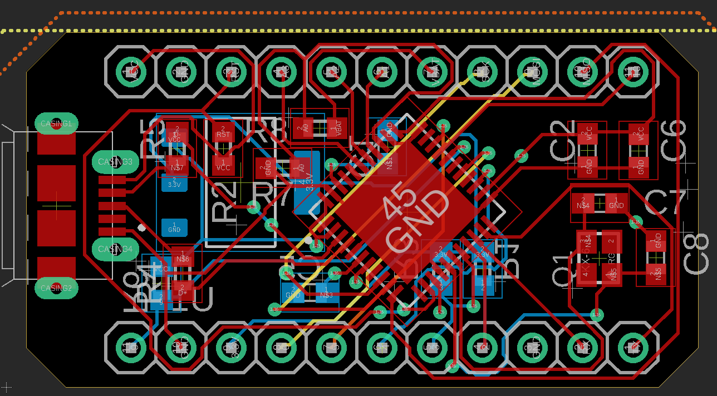
Right side (from USB) | Left Side (from USB)
5V | 9
GND | GND
RST | 3.3V
A3 | 6
A2 | 5
A1 | 4
VBAT | 3
SCK | 2
MOSI | GGND
MISO | Rx
10 | Tx

